Github
Gitbash
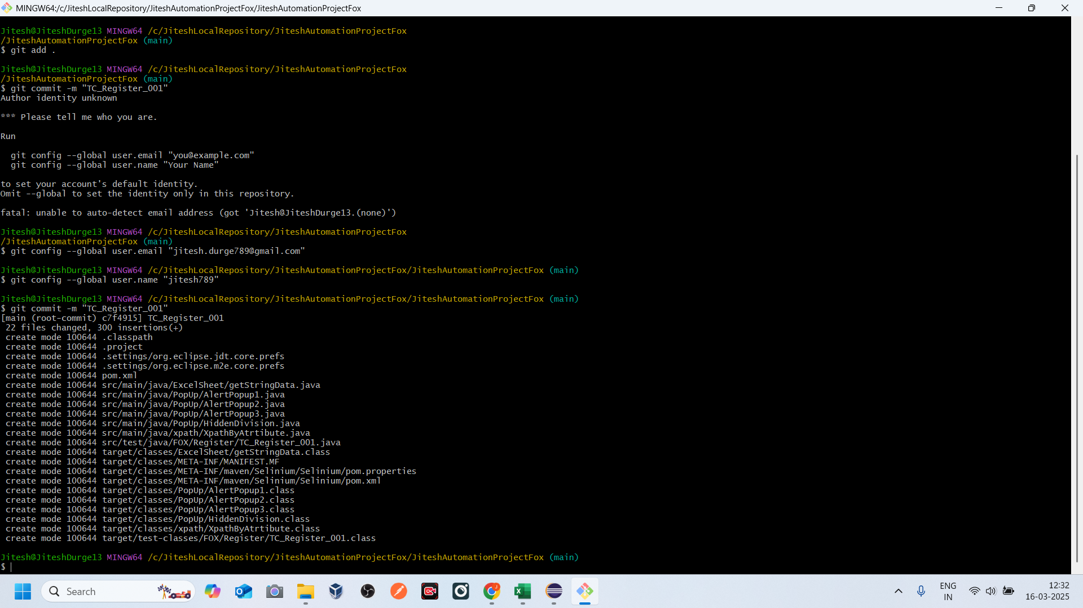
Create a repository in Github account | https://github.com/jiteshd789/JiteshAutomationProjectFox.git
Create a Folder in Local PC -C drive | JiteshLocalRepo-JiteshAutomationProjectFox Open GitBash git clone https://github.com/jiteshd789/JiteshAutomationProjectFox.git Copy the eclipse project: Properies --Resources --Copy Location.
 | git status git add . git commit -m "TC_Register_001" git push origin main

